Steel Commander™
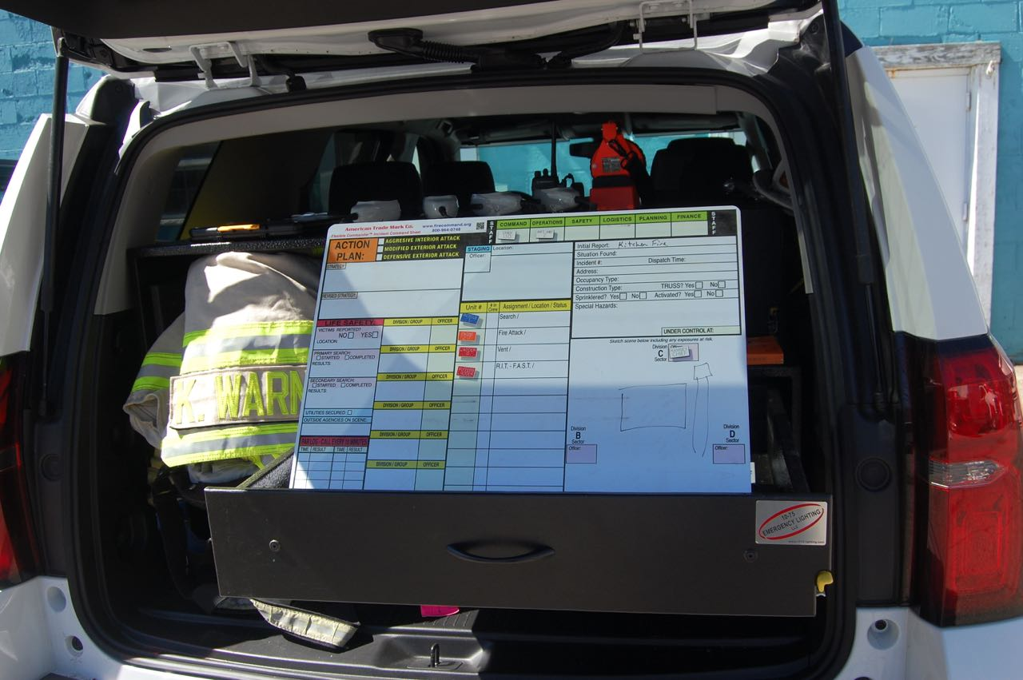
 | AMERICAN TRADE MARK ORDER FORM

 | Customer Name:

 | Steel Commander™ Command Board
 | Includes 50 custom engraved magnetic tags, extra tags are available. |  |  |  |  |  |  |  | Example tag:

 | Total Tag Quantity:
 | Fill in tag color and text below.
 | Red | Blue | Green |  | Orange | White w/ Red letters
 | Yellow | Dark Blue | Gray |  | Brown | White w/ Black
 | Black | Light Blue | Purple |  | Tan | White w/ Blue
 | Note: Magnetic tags are typically engraved with the radio call sign for your Officers and apparatus.
 | Color: |  |  |  | Color: |  |  | Color: |  |  | Color: |  |  | Color: |  |  | Color: |  |  | Color: |  |  | Color: |  |  | Color: |  |  | Color:
 | Line 1 | Line 2 |  |  | Line 1 | Line 2 |  | Line 1 | Line 2 |  | Line 1 | Line 2 |  | Line 1 | Line 2 |  | Line 1 | Line 2 |  | Line 1 | Line 2 |  | Line 1 | Line 2 |  | Line 1 | Line 2 |  | Line 1 | Line 2
1 |  |  |  | 1 |  |  | 1 |  |  | 1 |  |  | 1 |  |  | 1 |  |  | 1 |  |  | 1 |  |  | 1 |  |  | 1
2 |  |  |  | 2 |  |  | 2 |  |  | 2 |  |  | 2 |  |  | 2 |  |  | 2 |  |  | 2 |  |  | 2 |  |  | 2
3 |  |  |  | 3 |  |  | 3 |  |  | 3 |  |  | 3 |  |  | 3 |  |  | 3 |  |  | 3 |  |  | 3 |  |  | 3
4 |  |  |  | 4 |  |  | 4 |  |  | 4 |  |  | 4 |  |  | 4 |  |  | 4 |  |  | 4 |  |  | 4 |  |  | 4
5 |  |  |  | 5 |  |  | 5 |  |  | 5 |  |  | 5 |  |  | 5 |  |  | 5 |  |  | 5 |  |  | 5 |  |  | 5
6 |  |  |  | 6 |  |  | 6 |  |  | 6 |  |  | 6 |  |  | 6 |  |  | 6 |  |  | 6 |  |  | 6 |  |  | 6
7 |  |  |  | 7 |  |  | 7 |  |  | 7 |  |  | 7 |  |  | 7 |  |  | 7 |  |  | 7 |  |  | 7 |  |  | 7
8 |  |  |  | 8 |  |  | 8 |  |  | 8 |  |  | 8 |  |  | 8 |  |  | 8 |  |  | 8 |  |  | 8 |  |  | 8
9 |  |  |  | 9 |  |  | 9 |  |  | 9 |  |  | 9 |  |  | 9 |  |  | 9 |  |  | 9 |  |  | 9 |  |  | 9
10 |  |  |  | 10 |  |  | 10 |  |  | 10 |  |  | 10 |  |  | 10 |  |  | 10 |  |  | 10 |  |  | 10 |  |  | 10
11 |  |  |  | 11 |  |  | 11 |  |  | 11 |  |  | 11 |  |  | 11 |  |  | 11 |  |  | 11 |  |  | 11 |  |  | 11
12 |  |  |  | 12 |  |  | 12 |  |  | 12 |  |  | 12 |  |  | 12 |  |  | 12 |  |  | 12 |  |  | 12 |  |  | 12
13 |  |  |  | 13 |  |  | 13 |  |  | 13 |  |  | 13 |  |  | 13 |  |  | 13 |  |  | 13 |  |  | 13 |  |  | 13
14 |  |  |  | 14 |  |  | 14 |  |  | 14 |  |  | 14 |  |  | 14 |  |  | 14 |  |  | 14 |  |  | 14 |  |  | 14
15 |  |  |  | 15 |  |  | 15 |  |  | 15 |  |  | 15 |  |  | 15 |  |  | 15 |  |  | 15 |  |  | 15 |  |  | 15
16 |  |  |  | 16 |  |  | 16 |  |  | 16 |  |  | 16 |  |  | 16 |  |  | 16 |  |  | 16 |  |  | 16 |  |  | 16
17 |  |  |  | 17 |  |  | 17 |  |  | 17 |  |  | 17 |  |  | 17 |  |  | 17 |  |  | 17 |  |  | 17 |  |  | 17
18 |  |  |  | 18 |  |  | 18 |  |  | 18 |  |  | 18 |  |  | 18 |  |  | 18 |  |  | 18 |  |  | 18 |  |  | 18
19 |  |  |  | 19 |  |  | 19 |  |  | 19 |  |  | 19 |  |  | 19 |  |  | 19 |  |  | 19 |  |  | 19 |  |  | 19
20 |  |  |  | 20 |  |  | 20 |  |  | 20 |  |  | 20 |  |  | 20 |  |  | 20 |  |  | 20 |  |  | 20 |  |  | 20
21 |  |  |  | 21 |  |  | 21 |  |  | 21 |  |  | 21 |  |  | 21 |  |  | 21 |  |  | 21 |  |  | 21 |  |  | 21
22 |  |  |  | 22 |  |  | 22 |  |  | 22 |  |  | 22 |  |  | 22 |  |  | 22 |  |  | 22 |  |  | 22 |  |  | 22
23 |  |  |  | 23 |  |  | 23 |  |  | 23 |  |  | 23 |  |  | 23 |  |  | 23 |  |  | 23 |  |  | 23 |  |  | 23
24 |  |  |  | 24 |  |  | 24 |  |  | 24 |  |  | 24 |  |  | 24 |  |  | 24 |  |  | 24 |  |  | 24 |  |  | 24
25 |  |  |  | 25 |  |  | 25 |  |  | 25 |  |  | 25 |  |  | 25 |  |  | 25 |  |  | 25 |  |  | 25 |  |  | 25
26 |  |  |  | 26 |  |  | 26 |  |  | 26 |  |  | 26 |  |  | 26 |  |  | 26 |  |  | 26 |  |  | 26 |  |  | 26
27 |  |  |  | 27 |  |  | 27 |  |  | 27 |  |  | 27 |  |  | 27 |  |  | 27 |  |  | 27 |  |  | 27 |  |  | 27
28 |  |  |  | 28 |  |  | 28 |  |  | 28 |  |  | 28 |  |  | 28 |  |  | 28 |  |  | 28 |  |  | 28 |  |  | 28
29 |  |  |  | 29 |  |  | 29 |  |  | 29 |  |  | 29 |  |  | 29 |  |  | 29 |  |  | 29 |  |  | 29 |  |  | 29
30 |  |  |  | 30 |  |  | 30 |  |  | 30 |  |  | 30 |  |  | 30 |  |  | 30 |  |  | 30 |  |  | 30 |  |  | 30
31 |  |  |  | 31 |  |  | 31 |  |  | 31 |  |  | 31 |  |  | 31 |  |  | 31 |  |  | 31 |  |  | 31 |  |  | 31
32 |  |  |  | 32 |  |  | 32 |  |  | 32 |  |  | 32 |  |  | 32 |  |  | 32 |  |  | 32 |  |  | 32 |  |  | 32
33 |  |  |  | 33 |  |  | 33 |  |  | 33 |  |  | 33 |  |  | 33 |  |  | 33 |  |  | 33 |  |  | 33 |  |  | 33
34 |  |  |  | 34 |  |  | 34 |  |  | 34 |  |  | 34 |  |  | 34 |  |  | 34 |  |  | 34 |  |  | 34 |  |  | 34
35 |  |  |  | 35 |  |  | 35 |  |  | 35 |  |  | 35 |  |  | 35 |  |  | 35 |  |  | 35 |  |  | 35 |  |  | 35
36 |  |  |  | 36 |  |  | 36 |  |  | 36 |  |  | 36 |  |  | 36 |  |  | 36 |  |  | 36 |  |  | 36 |  |  | 36
37 |  |  |  | 37 |  |  | 37 |  |  | 37 |  |  | 37 |  |  | 37 |  |  | 37 |  |  | 37 |  |  | 37 |  |  | 37
38 |  |  |  | 38 |  |  | 38 |  |  | 38 |  |  | 38 |  |  | 38 |  |  | 38 |  |  | 38 |  |  | 38 |  |  | 38

